DEFINITIONS OF TERMS USED
CONTENTS

DEFINITIONS OF TERMS USED

1. ROAD VEHICLE
A vehicle running on wheels and intended for use on roads.

2. STOCK OF ROAD VEHICLES
Number of road vehicles registered at a given date in a country and licensed to use roads open to public traffic.

This includes road vehicles exempted from annual taxes or licence fees; it also includes imported second-hand vehicles and other road vehicles according to national practices. The statistics should exclude military vehicles.

3. NATIONAL ROAD VEHICLE
A road vehicle registered in the reporting country and bearing registration plates of that country or having been separately registered (trams, trolleybuses, etc.).

Where registration of a road vehicle does not apply in a specific country, a national road vehicle is a vehicle owned or leased by a person or company tax resident in that country.

4. FOREIGN ROAD VEHICLE
A road vehicle registered in a country other than the reporting country and bearing registration plates of that foreign country.

5. ROAD MOTOR VEHICLE
A road vehicle fitted with an engine whence it derives its sole means of propulsion, which is normally used for carrying persons or goods by road, or for hauling, on the road, vehicles used for the carriage of persons or goods.

6. PASSENGER ROAD VEHICLE
A road vehicle designed, exclusively or primarily, to carry one or more persons.

Vehicles designed for the transport of both passengers and goods should be classified either among the passenger road vehicles or among the goods road vehicles, depending on their primary purpose, as determined either by their technical characteristics or by their category for tax purposes.

7. (BI)CYCLE
A road vehicle which has two or more wheels and generally propelled by the muscular energy of the persons on that vehicle, in particular by means of a pedal system, lever or handle (e.g. bicycles, tricycles, quadricycles and invalid carriages).

Included are cycles with supportive power unit (e.g. E-bikes, pedelecs).

8. PASSENGER ROAD MOTOR VEHICLE
A road motor vehicle, exclusively designed or primarily, to carry one or more persons.

Motor vehicles cover:
a) Motorcycles;
b) Mopeds;
c) Passenger cars;
d) Buses, coaches and minibuses.

Excluded are light goods road vehicles, cf. definition 19.

9. MOPED
Two, three or four-wheeled road motor vehicle which is fitted with an engine having a cylinder capacity of less than 50cc and a maximum authorized design speed in accordance with national regulations. Where limitations concerning the engine displacement are not applicable a restriction in terms of motor power may be in force. Refers to categories L1 and L2 of the UN Consolidated Resolution on the Construction of Vehicles (R.E.3).

Registered and non-registered mopeds in use are included, whether or not they have a number plate.
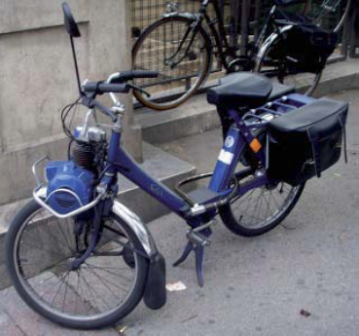
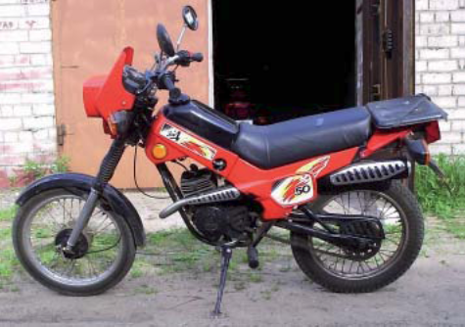

10. MOTORCYCLE
Two-, three- or four-wheeled road motor vehicle not exceeding 400 kg of unladen weight. All such vehicles with a cylinder capacity of 50 cc or over are included, as are those under 50 cc which do not meet the definition of moped. Refers to categories L3, L4 , L5 , L6 and L7 of the UN Consolidated Resolution on the Construction of Vehicles (R.E.3).

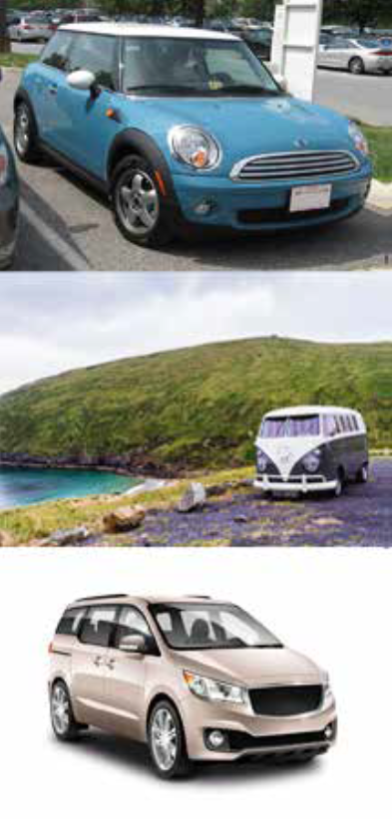
11. PASSENGER CAR
Road motor vehicle, other than a moped or a motor cycle, intended for the carriage of passengers and designed to seat no more than nine persons (including the driver). Refers to category M1 of the UN Consolidated Resolution on the Construction of Vehicles (R.E.3).

Included are:

a) Passenger cars;
b) Vans designed and used primarily for transport of passengers;
c) Taxis;
d) Hire cars;
e) Ambulances;
f) Motor homes;
g) Special passenger cars (police cars, fire- fighter's cars).

Excluded are light goods road vehicles, cf. definition 19, as well as motor coaches and buses, cf. definitions 14 and 15, and mini-buses/mini-coaches, cf. definition 16.

"Passenger car" includes microcars (needing no permit or having the same requirements as mopeds to be driven), taxis and passenger hire cars, provided that they have fewer than ten seats.

12. TAXI
Licensed passenger car for hire with driver without predetermined routes.

The method of hire is normally:

a) Flagging down on the street;
b) Picking up at a designated taxi rank;
c) Telephoning or using other electronic means for collection.

13. CARAVAN
Road vehicle designed as living accommodation for haulage by a motor vehicle.

A caravan is mainly intended for recreational purposes. It is not used for carriage of goods or passengers. Excluded are tent trailers with a built-in tent: they are considered as a trailer for the transport of goods.

14. BUS
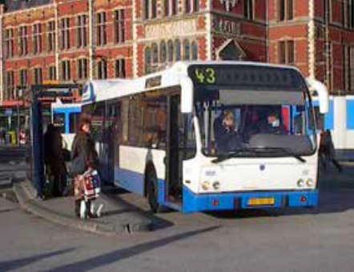 Passenger road motor vehicle designed to carry more than 24 persons (including the driver) and with provision to carry seated as well as standing passengers. Refers to class I and class II of categories M2 and M3 of the UN Consolidated Resolution on the Construction of Vehicles (R.E.3).

The vehicles may be constructed with areas for standing passengers, to allow frequent passenger movement, or designed to allow the carriage of standing passengers in the gangway.

15. MOTOR COACH
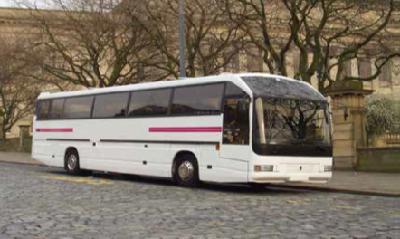 Passenger road motor vehicle designed to seat 24 or more persons (including the driver) and constructed exclusively for the carriage of seated passengers. Refers to class III of categories M2 and M3 of the UN Consolidated Resolution on the Construction of Vehicles (R.E.3).

16. MINI-BUS/MINI-COACH
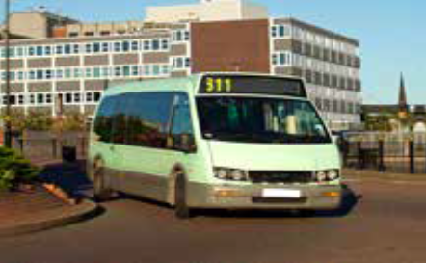 Passenger road motor vehicle designed to carry 10- 23 seated or standing persons (including the driver). Refers to class A and class B of categories M2 and M3 of the UN Consolidated Resolution on the Construction of Vehicles (R.E.3).

The vehicles may be constructed exclusively to carry seated passengers or to carry both seated and standing passengers.

17. PASSENGER CARRYING CAPACITY OF MOTOR COACHES AND BUSES
Number of seats/berths and standing places, including the driver's, available in the vehicle when it is performing the service for which it is primarily intended.

In case of doubt, the highest number of seats/berths available is taken into account.

18. GOODS ROAD VEHICLE
Road vehicle designed, exclusively or primarily, to carry goods. Includes categories N and O of the UN Consolidated Resolution on the Construction of Vehicles (R.E.3).

Included are:

a) Light goods road vehicles with a gross vehicle weight of not more than 3.500 kg, designed exclusively or primarily, to carry goods or to be used by craftsmen, e.g. vans, pick-ups, and two- or three-wheeled vehicles;
b) Heavy goods road vehicles with a gross vehicle weight above 3.500 kg, designed, exclusively or primarily, to carry goods;
c) Road tractors;
d) Trailers and semi-trailers;
e) Agricultural tractors permitted to use roads open to public traffic.

19. LIGHT GOODS ROAD VEHICLE
Goods road vehicle with a gross vehicle weight of not more than 3.500 kg, designed, exclusively or primarily, to carry goods. Includes category N1 of the UN Consolidated Resolution on the Construction of Vehicles (R.E.3).

Included are vans designed for and used primarily for transport of goods, pick-ups, small lorries, and two- or three-wheeled vehicles with a gross vehicle weight of not more than 3.500 kg.

20. HEAVY GOODS ROAD VEHICLE
Goods road vehicle with a gross vehicle weight above 3.500 kg, designed, exclusively or primarily, to carry goods. Refers to categories N2 and N3 of the UN Consolidated Resolution on the Construction of Vehicles (R.E.3).

21. TYPES OF BODY OF GOODS ROAD VEHICLE
Classification of goods road vehicles by types of their superstructures.

The following classification of types of bodies of goods road vehicles is considered:

a) Ordinary open box:
With cover;
Flat.
b) Tipper.
c) Tanker:
Solid bulk;
Liquid bulk.
d) Temperature controlled box.
e) Other closed box.
f) Skeletal container and swap-body transporter.
g) Livestock transporter.
h) Others.

22. GOODS ROAD MOTOR VEHICLE
Any single road motor vehicle designed to carry goods (e.g. a lorry), or any coupled combination of road vehicles designed to carry goods (i.e. lorry with trailer(s) or road tractor with or without semi-trailer and with or without trailer).

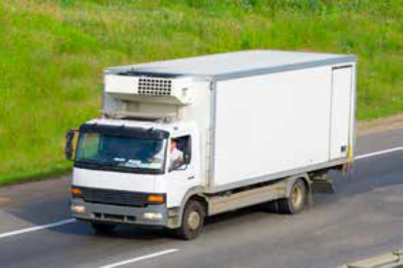
23. LORRY/TRUCK
Rigid road motor vehicle designed, exclusively or
primarily, to carry goods.

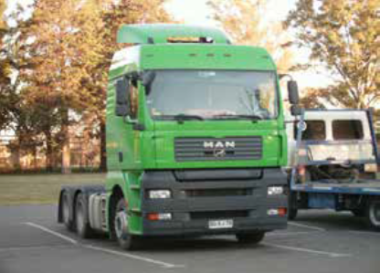
24. ROAD TRACTOR
(SEMI-TRAILER TRACTOR)
Road motor vehicle designed, exclusively or primarily, to haul other road vehicles which are not power-driven (mainly semi-trailers).

Agricultural tractors are excluded.

25. AGRICULTURAL TRACTOR
Motor vehicle designed exclusively or primarily for agricultural purposes whether or not permitted to use roads opened to public traffic.

26. TRAILER
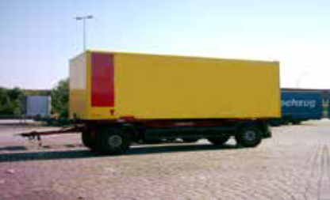 Goods road vehicle designed to be hauled by a road motor vehicle. With semi-trailers (cf. definition 28), refers to category O of the UN Consolidated Resolution on the Construction of Vehicles (R.E.3).

This category excludes agricultural trailers and caravans.

27. AGRICULTURAL TRAILER
Trailer designed exclusively or primarily for agricultural purposes and to be hauled by an agricultural tractor, whether or not permitted to use roads opened to public traffic.

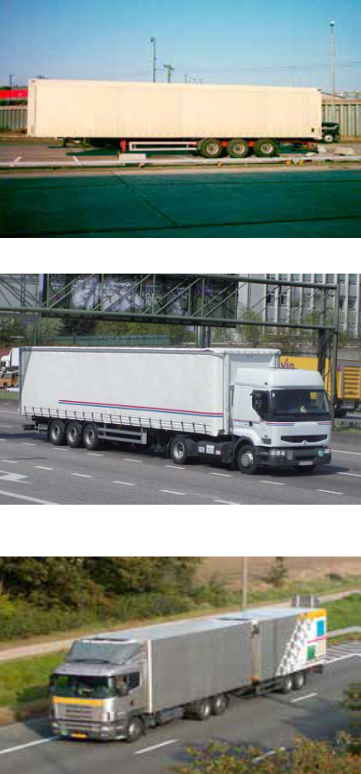
28. SEMI-TRAILER
Goods road vehicle with no front axle designed in such way that part of the vehicle and a substantial part of its loaded weight rests on a road tractor. With trailers (cf. definition 26), refers to category O of the UN Consolidated Resolution on the Construction of Vehicles (R.E.3).

29. ARTICULATED VEHICLE
Road tractor coupled to a semi-trailer.

30. ROAD TRAIN
Goods road motor vehicle coupled to a trailer.

Articulated vehicles with a further trailer attached are included.

31. SPECIAL PURPOSE ROAD MOTOR VEHICLE
Road motor vehicle designed for purposes other than the carriage of passengers or goods. Can be a vehicle of categories M, N or O of the UN Consolidated Resolution on the Construction of Vehicles (R.E.3).

This category includes:

a) Fire brigade vehicles;
b) Mobile cranes;
c) Self-propelled rollers;
d) Bulldozers with metallic wheels or track;
e) Vehicles for recording film, radio and TV broadcasting;
f) Mobile library vehicles;
g) Towing vehicles for vehicles in need of repair;
h) Other special purpose road motor vehicles.

32. LOAD CAPACITY
Maximum weight of goods declared permissible by the competent authority of the country of registration of the vehicle.

When the goods road vehicle is a road train made up of a lorry with trailer, the load capacity of the road train is the sum of the load capacities of the lorry and the trailer.

33. LOAD VOLUME
Maximum volume available in the vehicle (e.g. measured in cubic metres) for the carriage of goods.

34. FLOOR AREA WITHIN VEHICLE BODY
Maximum floor area within the vehicle body (e.g. measured in square metres) available for the carriage of goods.

35. GROSS VEHICLE WEIGHT (LEGALLY PERMISSIBLE MAXIMUM WEIGHT)
Total of the weight of the vehicle (or combination of vehicles) including its load when stationary and ready for the road declared permissible by the competent authority of the country of registration.

This includes the weight of the driver and the maximum number of persons permitted to be carried.

36. AGE OF ROAD VEHICLE
Length of time after the first registration of the road vehicle, irrespective of the registering country.

37. CYLINDER CAPACITY (ENGINE DISPLACEMENT)
The cylinder capacity of the engine as certified by the competent authority of the country of registration.

38. UNLADEN VEHICLE WEIGHT
Weight of vehicle (or combination of vehicles) excluding its load when stationary and ready for the road, as determined by the competent authority of the country of registration.

The unladen weight may include driver and fuel dependent on national practice.

39. MOTOR ENERGY
The principal type of motor energy used by the vehicle as certified by the competent authority of the country of registration.

The following categories of road motor vehicles are included:

a) Petrol vehicle: road motor vehicle using petrol for propulsion containing up to 10 per cent Bioethanol (like E5 up to E10).
...

